HRV
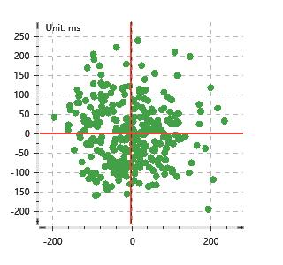
Data Info
 | Recording | 正式实验5
 | Subject | 屈灿
 | Create Time | 2023-11-17 16:04:11.770
 | Data Name | Chest1 ECG
 | Data Type | ECG
 | Sample Rate | 512
 | Segment | 后静息态
 | Start Time | 0:58:52
 | End Time | 1:03:53
 | Duration | 0:05:00

Replay Chart
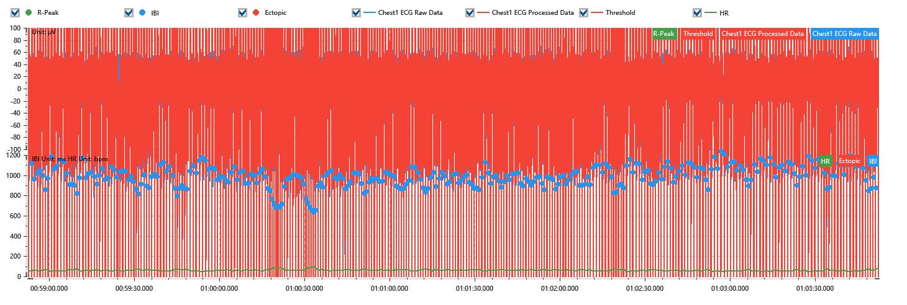

Process parameters
 | Filters
 | Wavlet filter | Enabled | 中
 | Amplitude normalization | Disabled | 中
 | High Pass filter | Enabled | 1μV
 | Band Stop filter | Enabled | 50μV
 | Low Pass filter | Enabled | 100μV
 | Interbeat Interval
 | R-Peak extraction | Maximum heart rate | 120bpm
 | R-Peak extraction | Threshold | 70%
 | Extopic detection | Percent | Disabled | 20%
 | Extopic detection | Median | Enabled | 4(samples)
 | Extopic correction | 中值 | 5(samples)

Time Domain
 | MeanIBI | MeanHR | SDNN | SDANN | RMSSD | SDSD | PNN50 | PNN20 | Data Length
 | 979.54ms | 61bpm | 104.96ms | 0ms | 80.65ms | 80.78ms | 55.59% | 80.59% | 305

Frequency Domain
 | Band | Range | Power | Power Percent | Power Normalized | Peak | Data Length
 | ULF | 0 - 0.0033Hz | 310.16ms² | 3.29% | 0 | 0Hz | 4
 | VLF | 0.0033 - 0.04Hz | 2424.55ms² | 25.71% | 0 | 0Hz | 37
 | LF | 0.04 - 0.15Hz | 4665.88ms² | 49.48% | 0.7 | 0.08Hz | 113
 | HF | 0.15 - 0.4Hz | 2029.86ms² | 21.52% | 0.3 | 0.28Hz | 256

 | Total Power | 9430.44ms² | LF/HF | 2.3 | VLF/ULF | 0.13
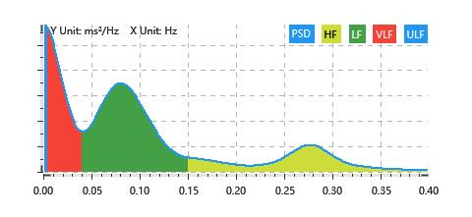

Nonlinear
 | Poincare | SD1 | 57.12ms | SD2 | 137.01ms
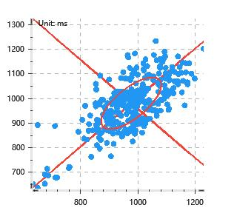

 | Scatter | A++ | 72 | B-- | 76

